Generalizability
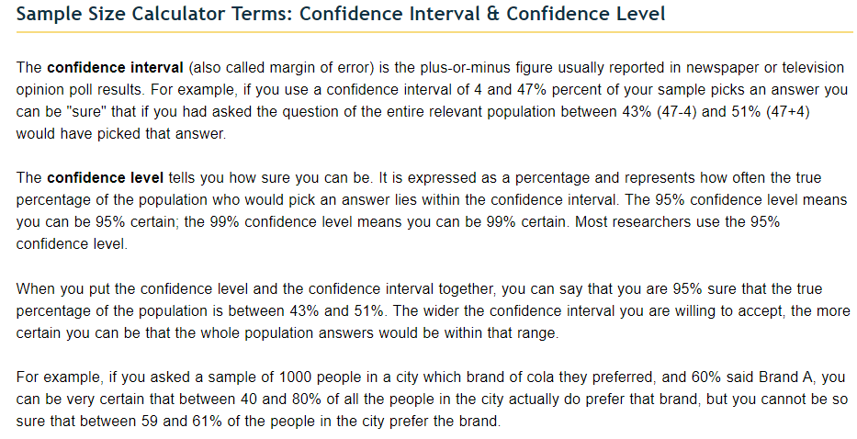
FY22 All Claims/SALS
 |  |  | Undupe Cons Count | # of Claims | Units | Paid Amount
 |  | FY22 Claims Totals | 4504 | 64,174 | 1,958,992 | $37,540,740
 |  | FY22 SALs |  | 53562 | 190,423 | $8,991,032

 |  |  |  |  | Margin of Error (confidence interval) |  | Potential Financial Exposure
 |  | Total | Verified via MEV | % Reviewed | at a 95% Confidence Level | at a 99% Confidence Level | Dollar Value of Services | at a 95% Confidence Level | at a 99% Confidence Level
 | Contracted (claim lines)* | 64,174 |  | 0.00% | +/- 0.69% | +/- 0.9% | $37,540,740 | $259,031 | $337,867
 | Direct Operated (Sent SALs)* | 53,562 |  | 0.00% | +/- 3.35% | +/- 4.41% | $8,991,032 | $301,200 | $396,505
 |  |  | 2324 | 4.34% | +/- 2.00% |  |  | $179,821
 |  |  | 1803 | 3.37% |  | +/- 3.00% |  |  | $269,731
 |  | * without separating series billed monthly residential claims, so some additional margin of error

FY22 Partial Claims (w/o COFR, Pharm, DME, Inpatient)
 |  |  | Undupe Cons Count | # of Claims | Units | Paid Amount
 |  | FY22 Claims Totals | 3788 | 62,753 | 1,940,591 | $29,864,818
 |  | FY22 SALs

 |  |  |  |  | Margin of Error (confidence interval) |  | Potential Financial Exposure
 |  | Total | Verified via MEV | % Reviewed | at a 95% Confidence Level | at a 99% Confidence Level | Dollar Value of Services | at a 95% Confidence Level | at a 99% Confidence Level
 | Contracted (claim lines)* | 62,753 |  | 0.00% | +/- 0.69% | +/- 0.9% | $29,864,818 | $206,067 | $268,783
 | Direct Operated (Sent SALs)* | 53,562 |  | 0.00% | +/- 3.35% | +/- 4.41% | $8,991,032 | $301,200 | $396,505
 |  |  | 2324 | 4.34% | +/- 2.00% |  |  | $179,821
 |  |  | 1803 | 3.37% |  | +/- 3.00% |  |  | $269,731
 |  | * without separating series billed monthly residential claims, so some additional margin of error

